Indices

 | Iraq Stock Exchange
 | Bulletin No (56)
 | ISX Trading Indices of Sunsday 5/4/2026

 | Traded Volume and OTC |  | 1,169,897,544 |  | Traded Value and OTC |  | 1,055,570,925 |  | Traders | 1223

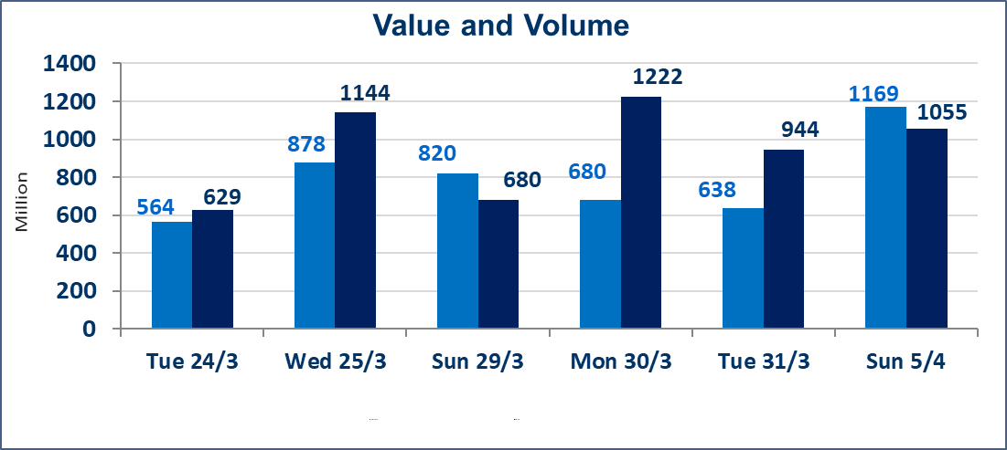
 | ISX Index 60 |  |  | 968.24 | ISX Index 15 |  |  | 1232.11
 | Previous ISX Index60 |  |  | 964.57 | Previous ISX Index15 |  |  | 1230.97
 | Change % |  |  | 0.38 | Change % |  |  | 0.09
 | Change |  |  | 3.67 | Change |  |  | 1.14

 | Listed Companies | 104 | OTC | 14 | Non Traded listed | 40 | OTC | 13
 | Traded Listed Companies | 48 | OTC | 1 | Higher Companies |  |  | 16
 | GAM Companies |  |  | 6 | Lower Companies |  |  | 7
 | Suspended Companies |  |  | 10
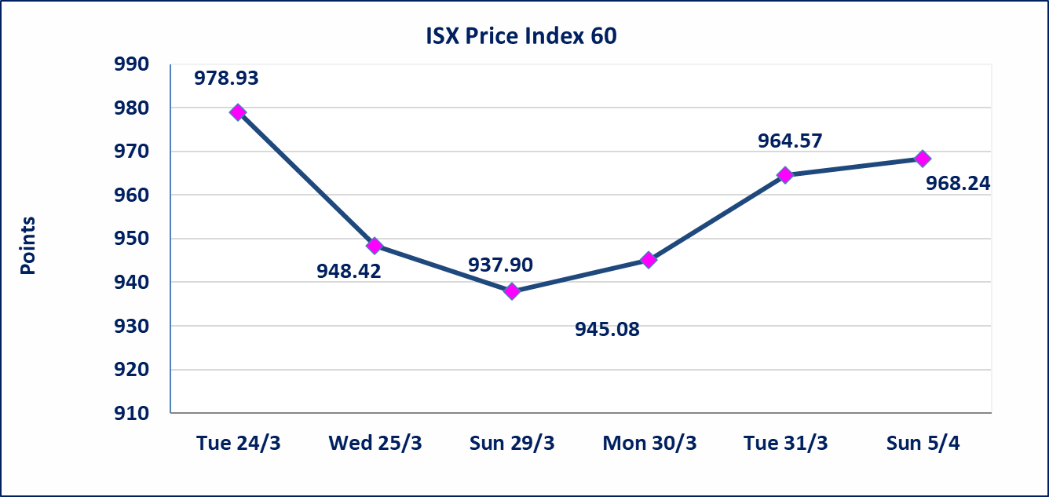
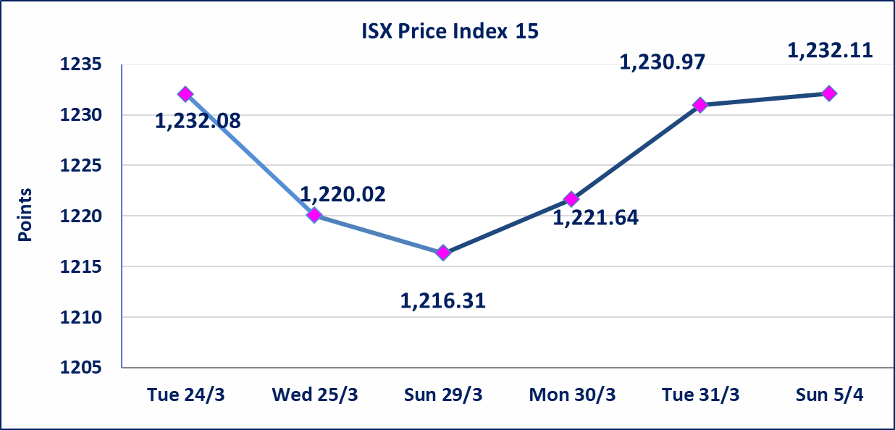

Al-Alwiya P.O . 3607 Mobile: 07711211522 - 07270094594 - 07834000034 E-mail: info-isx@isx-iq.net Web site:www.isx-iq.net

Top 5
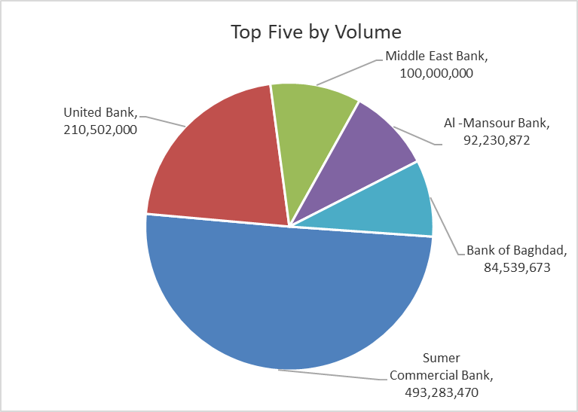
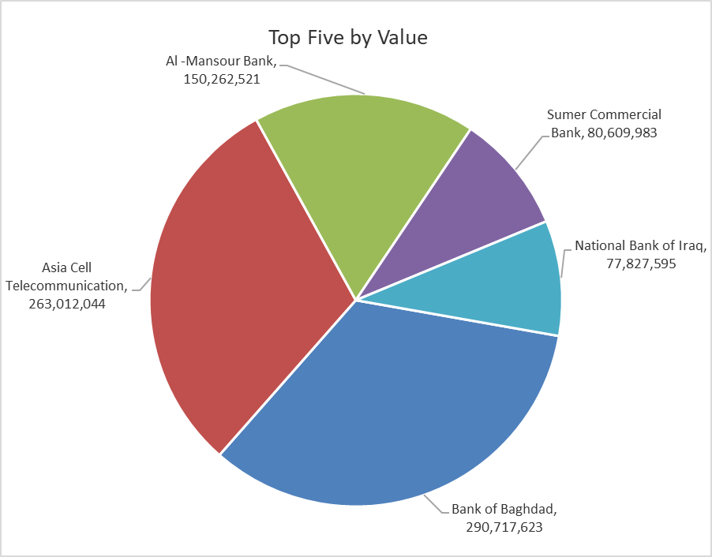

ISX top ganing and losing companies
Sunsday 5/4/2026
 | Gainers |  |  |  | Losers
 | Company Name | Closing Price | Change (%) | Traded Volume | Company Name | Closing Price | Change (%) | Traded Volume
 | Sumer Commercial Bank | 0.170 | 6.25 | 493,283,470 | Al-Ahlyia agricultural production | 2.140 | -2.73 | 446,668
 | Agricultural Products Meat | 4.550 | 4.12 | 25,000 | Dar Al-Salam for Insurance | 0.790 | -1.25 | 4,032,063
 | Al -Khazer Construction Materials | 1.280 | 4.07 | 224,333 | Al-Ameen for Insurance | 0.890 | -1.11 | 2,453,515
 | AL-Badia for General Trans | 1.030 | 4.04 | 3,037,645 | Baghdad Soft Drinks | 5.930 | -1.00 | 8,754,994
 | Elaf Islamic Bank | 0.260 | 4.00 | 2,000 | Mamoura Realestate | 3.200 | -0.93 | 423,796
 | The most active companies in term of traded volume and value

 | Traded Volume |  |  |  | Traded Value
 | Company Name | Closing Price | Change (%) | Traded Volume | Company Name | Closing Price | Change (%) | Traded Value
 | Sumer Commercial Bank | 0.170 | 6.25 | 493,283,470 | Bank of Baghdad | 3.480 | 2.05 | 290,717,623
 | United Bank | 0.050 | 0.00 | 210,502,000 | Asia Cell Telecommunication | 14.940 | 0.00 | 263,012,044
 | Middle East Bank | 0.060 | 0.00 | 100,000,000 | Al -Mansour Bank | 1.630 | 0.62 | 150,262,521
 | Al -Mansour Bank | 1.630 | 0.62 | 92,230,872 | Sumer Commercial Bank | 0.170 | 6.25 | 80,609,983
 | Bank of Baghdad | 3.480 | 2.05 | 84,539,673 | National Bank of Iraq | 4.780 | -0.42 | 77,827,595

Non Iraqi

Iraq Stock Exchange
Non Iraqis' Bulletin Sunday April 5 2026
Regular Market

Non Iraqi Trading of Regular Market (Buy)
Company Names | Code | No.of trades | Traded Shares | Trading Volume
Telecommunication Sector
Asia cell | TASC | 19 | 2,623,000 | 39,187,620
Total Telecommunication sector |  | 19 | 2,623,000 | 39,187,620
Grand Total |  | 19 | 2,623,000 | 39,187,620

Non Iraqi Trading of Regular Market (Sell)
Company Names | Code | No.of trades | Traded Shares | Trading Volume
Banks Sector
National Bank Of Iraq | BNOI | 69 | 12,080,000 | 57,984,000
Total Bank sector |  | 69 | 12,080,000 | 57,984,000
Telecommunication Sector
Asia cell | TASC | 86 | 11,000,000 | 164,340,667
Total Telecommunication sector |  | 86 | 11,000,000 | 164,340,667
Grand Total |  | 155 | 23,080,000 | 222,324,667

Not Trading Bonds

Iraq Stock Exchange
Sunsday 5/4/2026
Not Trading Bonds Bulletin
Bond type | Publish type | Code | last trading price | immortilize date
Banaa Bonds /Million ID | Second | CB20 | 964,981 | 19/12/2025
Eamar Bonds /Million ID | First | CB30 | 1,001,095 | ــــــــــــــــ
Eamar Bonds /Million ID | Second | CB40 | ــــــــــــــــ | ــــــــــــــــ
Eamar Bonds /500 Thousand ID | Third | CB45 | ــــــــــــــــ | ــــــــــــــــ
Eamar Bonds /Million ID | Third | CB50 | ــــــــــــــــ | ــــــــــــــــ
Injaz Bonds /500 Thousand ID | First | CB55 | ــــــــــــــــ | ــــــــــــــــ
Injaz Bonds /Million ID | First | CB60 | ــــــــــــــــ | ــــــــــــــــ
Injaz Bonds /500 Thousand ID | Second | CB65 | 503,793 | ــــــــــــــــ
Injaz Bonds /Million ID | Second | CB70 | 965,050 | ــــــــــــــــ
Injaz Bonds /500 Thousand ID | Third | CB75 | ــــــــــــــــ | ــــــــــــــــ
Injaz Bonds /Million ID | Third | CB80 | 978,182 | ــــــــــــــــ
National Bonds/Million ID | First | CB90 | ــــــــــــــــ | ــــــــــــــــ
National Bonds/500 Thousand ID | Second | CB95 | ــــــــــــــــ | ــــــــــــــــ
National Bonds/Million ID | Second | CB100 | ــــــــــــــــ | ــــــــــــــــ

